1862
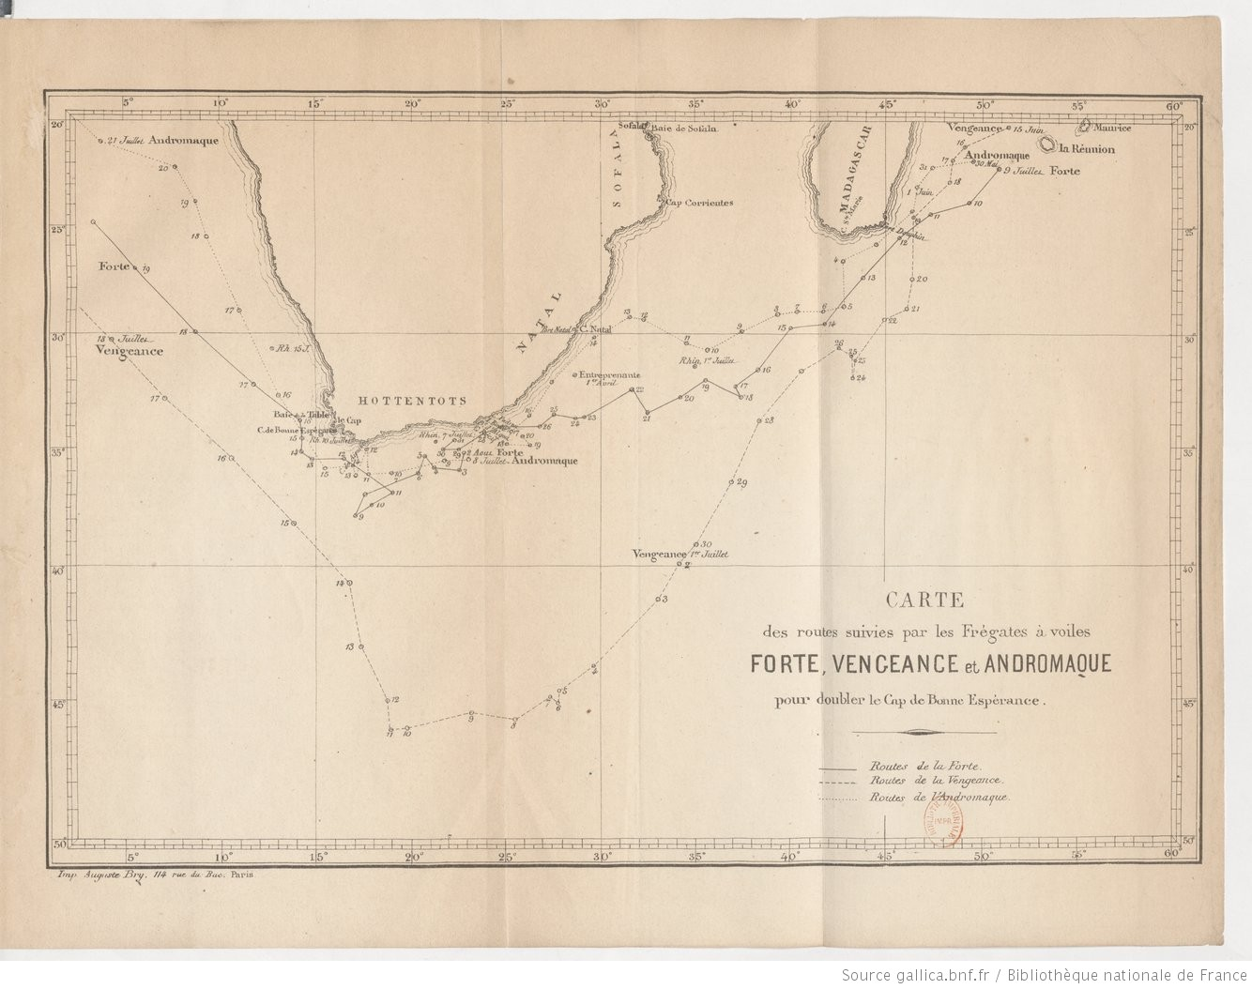
YEAR | MONTH | DAY | HOUR | LATITUDE | N/S | LONGITUDE | E/W | BAROMETER | THERMOMETER | WIND DIRECTION
1862 | 7 | 1 | 1200 | 31.30 | S | 34.48 | E | 760.00 | 20.0 | SW
1862 | 7 | 1 | 2000 |  |  |  |  | 765.00 | 19.0 | SSW
1862 | 7 | 2 | 400 |  |  |  |  | 765.00 | 19.0 | SSW
1862 | 7 | 2 | 1200 | 31.17 | S | 34.01 | E | 767.00 | 19.0 | Calm
1862 | 7 | 2 | 2000 |  |  |  |  | 767.00 | 20.0 | Calm
1862 | 7 | 3 | 400 |  |  |  |  | 769.00 | 19.0 | NNE
1862 | 7 | 3 | 1200 | 31.16 | S | 31.04 | E | 767.00 | 21.0 | NNE
1862 | 7 | 3 | 2000 |  |  |  |  | 767.00 | 21.0 | NNE
1862 | 7 | 4 | 400 |  |  |  |  | 763.00 | 21.0 | NNE
1862 | 7 | 4 | 1200 | 33.08 | S | 26.45 | E | 762.00 | 21.0 | NNE
1862 | 7 | 4 | 2000 |  |  |  |  | 761.00 | 21.0 | NNE
1862 | 7 | 5 | 400 |  |  |  |  | 759.00 | 21.0 | NNW
1862 | 7 | 5 | 1200 | 34.48 | S | 23.24 | E | 760.00 | 21.0 | S
1862 | 7 | 5 | 2000 |  |  |  |  | 760.00 | 20.0 | WSW
1862 | 7 | 6 | 400 |  |  |  |  | 761.00 | 20.0 | WSW
1862 | 7 | 6 | 1200 | 34.14 | S | 22.07 | E | 764.00 | 16.0 | W
1862 | 7 | 6 | 2000 |  |  |  |  | 764.00 | 16.0 | W
1862 | 7 | 7 | 400 |  |  |  |  | 765.00 | 18.0 | W
1862 | 7 | 7 | 1200 | 34.50 | S | 21.23 | E | 762.00 | 18.0 | Calm
1862 | 7 | 7 | 2000 |  |  |  |  | 764.00 | 18.0 | Calm
1862 | 7 | 8 | 400 |  |  |  |  | 762.00 | 16.0 | WNW
1862 | 7 | 8 | 1200 | 35.16 | S | 18.46 | E | 763.00 | 17.0 | NW
1862 | 7 | 8 | 2000 |  |  |  |  | 764.00 | 17.0 | NW
1862 | 7 | 9 | 400 |  |  |  |  | 764.00 | 17.0 | WNW
1862 | 7 | 9 | 1200 | 34.48 | S | 16.39 | E | 761.00 | 17.0 | Calm
1862 | 7 | 9 | 2000 |  |  |  |  | 760.00 | 18.0 | ENE
1862 | 7 | 10 | 400 |  |  |  |  | 760.00 | 17.0 | NNW
1862 | 7 | 10 | 1200 | 34.25 | S | 15.11 | E | 760.00 | 17.0 | NNW
1862 | 7 | 10 | 2000 |  |  |  |  | 759.00 | 17.0 | NNW
1862 | 7 | 11 | 400 |  |  |  |  | 759.00 | 17.0 | NW
1862 | 7 | 11 | 1200 | 33.56 | S | 14.38 | E | 759.00 | 18.0 | NW
1862 | 7 | 11 | 2000 |  |  |  |  | 759.00 | 18.0 | W
1862 | 7 | 12 | 400 |  |  |  |  | 761.00 | 16.0 | W
1862 | 7 | 12 | 1200 | 32.38 | S | 14.38 | E | 763.00 | 16.0 | Calm
1862 | 7 | 12 | 2000 |  |  |  |  | 762.00 | 17.0 | Calm
1862 | 7 | 13 | 400 |  |  |  |  | 760.00 | 16.0 | WNW
1862 | 7 | 13 | 1200 | 32.24 | S | 14.30 | E | 760.00 | 17.0 | WNW
1862 | 7 | 13 | 2000 |  |  |  |  | 761.00 | 16.0 | NNW
1862 | 7 | 14 | 400 |  |  |  |  | 761.00 | 16.0 | WSW
1862 | 7 | 14 | 1200 | 31.59 | S | 14.10 | E | 762.00 | 16.0 | Calm
1862 | 7 | 14 | 2000 |  |  |  |  | 762.00 | 16.0 | Calm
1862 | 7 | 15 | 400 |  |  |  |  | 760.00 | 16.0 | WNW
1862 | 7 | 15 | 1200 | 30.45 | S | 12.34 | E | 759.00 | 16.0 | NW
1862 | 7 | 15 | 2000 |  |  |  |  | 756.00 | 17.0 | SW
1862 | 7 | 16 | 400 |  |  |  |  | 758.00 | 18.0 | SSW
1862 | 7 | 16 | 1200 | 28.57 | S | 10.47 | E | 761.00 | 15.0 | SSW
1862 | 7 | 16 | 2000 |  |  |  |  | 761.00 | 14.0 | SSW
1862 | 7 | 17 | 400 |  |  |  |  | 760.00 | 13.0 | SSE
1862 | 7 | 17 | 1200 | 27.22 | S | 7.27 | E | 762.00 | 12.0 | SE

